Sheet1
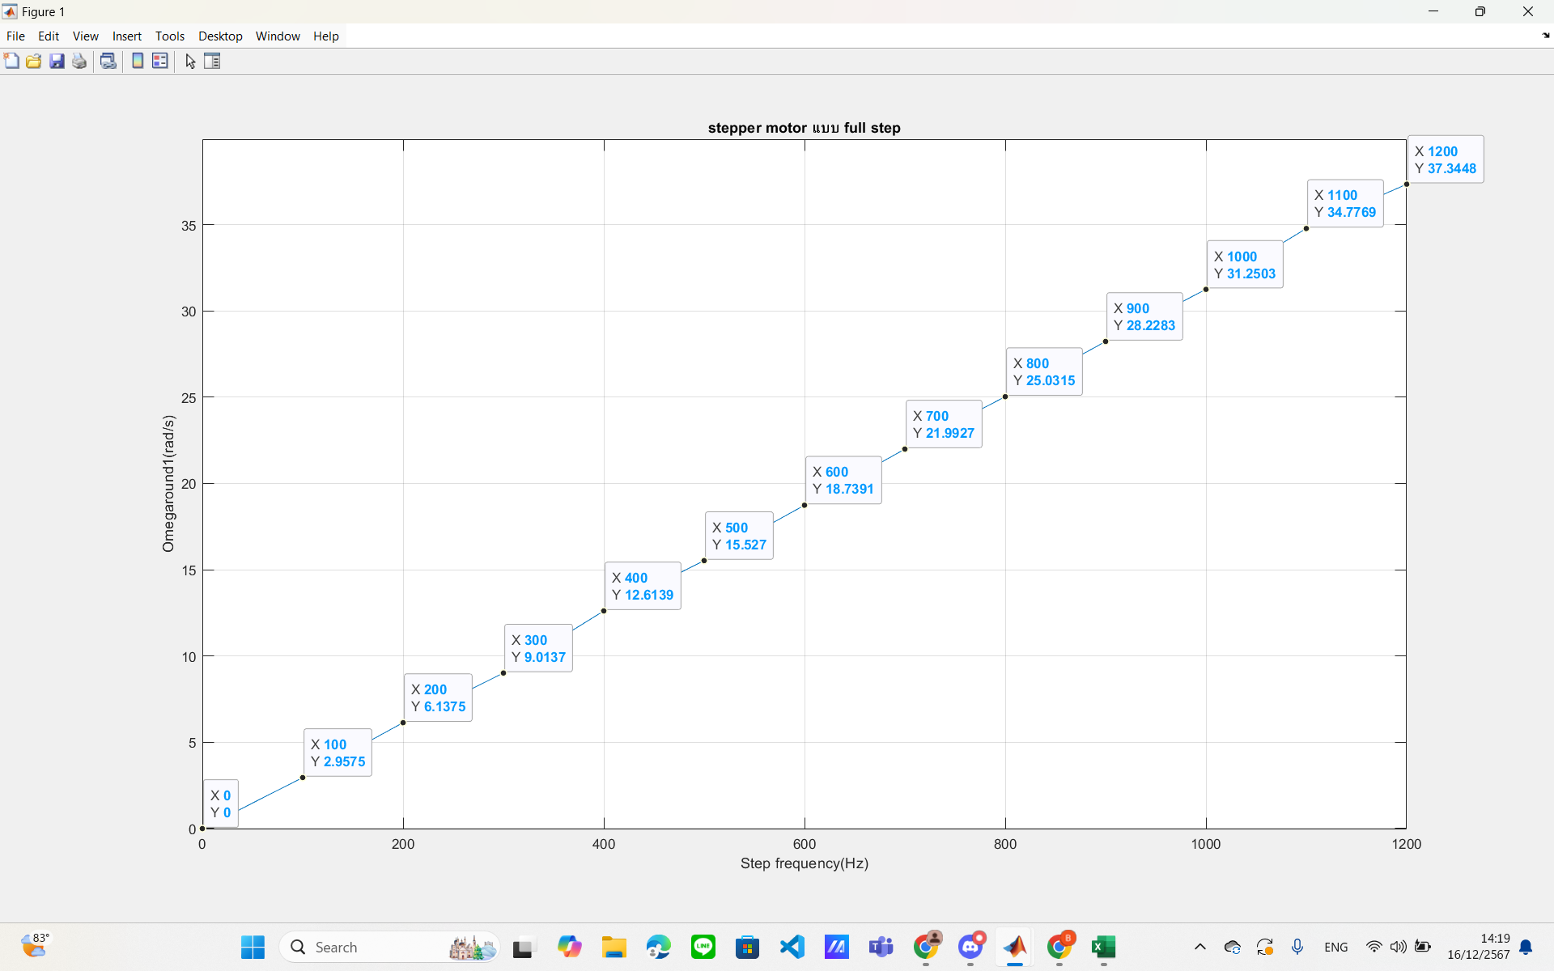
full step |  |  | half |  |  | micro 1/4
step f(Hz) | omega | omega2 | step f(Hz) | omega | omega2 | step f(Hz) | omega | omega2
100 | 2.9575 | 3.565 | 100 | 1.692 | 1.534 | 500 | 3.5895 | 3.226
200 | 6.1375 | 6.0393 | 200 | 3.134 | 3.1431 | 1000 | 7.6239 | 7.7819
300 | 9.0137 | 9.3404 | 300 | 4.4271 | 4.5452 | 1500 | 11.9743 | 11.8132
400 | 12.6139 | 12.6786 | 400 | 5.6788 | 6.1298 | 2000 | 15.7877 | 15.7264
500 | 15.527 | 15.9012 | 500 | 7.8371 | 7.7407 | 2500 | 19.8543 | 19.5981
600 | 18.7391 | 18.5182 | 600 | 9.365 | 9.3511 | 3000 | 23.338 | 23.384
700 | 21.9927 | 22.0387 | 700 | 11.0707 | 10.6382 | 3500 | 27.7175 | 27.3125
800 | 25.0315 | 24.7799 | 800 | 12.3904 | 12.5694 | 4000 | 31.8025 | 31.5202
900 | 28.2283 | 28.305 | 900 | 14.2706 | 13.7751 | 4500 | 33.9761 | 35.5316
1000 | 31.2503 | 31.0.86 | 1000 | 15.5131 | 16.6084 | 5000 | 39.3527 | 39.5644
1100 | 34.7769 | 34.3474 | 1100 | 17.3923 | 17.0072 | 5100 |  | 39.5061
1200 | 37.3448 |  | 1200 | 18.7529 | 19.0827 | 5200 |  | 40.5078
1300 |  |  | 1300 | 20.0522 | 20.3697
1400 |  |  | 1400 | 22.1645 | 21.8654
1500 |  |  | 1500 | 23.6432 | 23.3595
1600 |  |  | 1600 | 25.461 | 24.4425
1700 |  |  | 1700 | 26.6913 | 26.979
1800 |  |  | 1800 | 27.8971 | 28.8296
1900 |  |  | 1900 | 29.9341 | 30.0737
2000 |  |  | 2000 | 31.376 | 31.4236
2100 |  |  | 2100 | 32.9775 | 32.6477
2200 |  |  | 2200 | 34.6756 | 34.0972
2300 |  |  | 2300 | 36.4136 | 35.6605
2400 |  |  | 2400 | 37.3432 | 35.7694
2500 |  |  | 2500 | 39.0828
2600
2700
2800 | 3.4821
2900 | 7.4858
3000 | 8.7268
3100 | 9.1333
3200 | 11.4941

